1. Title Page
[Project Name]

Project Name:
Date: 5/21/23
Analyst Name: David Boyd

Contents:
Population Flow
Consistency checks
Wrangling steps
Column derivations
Visualizations
Recommendations

2. Population Flow
Title page

Population flow

Exclusion flag
Condition: max_order < 5
Obervations to be removed: 1,440,295
Final total count of order_products_all: 30,964,564

Orders_products_combined
Orders_products_merged
Orders_products_all

Total: 32,434,489
Total: 32,404,859
Total: 32,404,859

1.) The grey boxes in the first row of the population flow represent the original data sets as they were when you downloaded them. In the Total fields you need to add the count of the rows when you imported the data set into Jupyter.
2.) The second row of boxes (coloured) represents the data sets after you manipulated them, e.g., removed missing values and duplicates. In the Total fields you need to add the count of the rows after conducting these operations. This offers a visual oveview of how the data flows throughout the data consistency checks.
3.) The third row, where also the arrows are coloured, represents the merges you performed between the datasets. In the Total fields you need to add the count of the rows in the merged datasets, so that you end up with the final dataset (in the red box). Keep in mind the final dataset should be without exclusions (based on the exclusion flag).

3. Consistency checks
 |  |  |  | Title page
Consistency checks

Dataset | Missing values | Missing values treatment | Duplicates
orders | 206,209 missing values in 'days_since_prior_order' | No change. Values represent a new customer.
products | 16 missing from "product_name" | Dropped 16 rows | 5 duplicates found and dropped
orders_products_prior | None | N/A | None
customers | None | N/A | None

4. Wrangling steps
 |  |  |  | Title page
Wrangling steps

Columns dropped | Columns renamed | Columns' type changed | Comment/Reason
'"eval_set" from orders.csv |  |  | data not relevant to analysis
 | "order_dow" from orders.csv |  | "dow" is not self-explanatory; changed column name to "order_day_of_week"
 |  | "user_id" from orders.csv | changed to string to optimize calculations
"First Name" from customers.csv |  |  | Not needed in the analysis, and these would case PII issues.
"Surnam" from customers.csv |  |  | Not needed in the analysis, and these would case PII issues.

 | Customer[('STATE':'state'), ('Gender':'gender'), ('Age':'age'), ('n_dependants':'number_dependants'), ('fam_status':'family_status')] |  | Renamed for consistency and to be more descriptive

5. Column derivations
 |  |  |  |  | Title page

Column derivations and aggregations

In this tab you should add tables below that the frequences of flags/label variables that you produced after deriving them. NB: don't do this for continuous variables, only for flags.
Dataset | New column | Column/s it was derived from | Conditions
orders_products_merged | "price_range" | "prices" | price in [0,5]: "Low-range product"
 |  |  | price in (5,15]: "Mid-range product"
 |  |  | price > 15: "High-range product"

orders_products_merged | "busiest_day" | "orders_day_of_week" | if day 0 (Sat.), "Busiest day"
 |  |  | if day 4 (Wed.), "Least busy"
 |  |  | otherwise, "Regularly busy"

orders_products_merged | "busiest_days" | "orders_day_of_week" | if day 0 or 1 (Sat. or Sun.), "Busiest"
 |  |  | if day 3 or 4 (Wed. or Thurs.), "Least busy"
 |  |  | otherwise, "Regularly busy"

orders_products_merged | "busiest_period_of_day" | "orders_day_of_week" | 9am-4pm: "Most orders"
 |  |  | 11pm-6am: "Fewest orders"
 |  |  | otherwise: "Average orders"

orders_products_merged_aggregated | "max_order" | "order_number" | displays total number of orders each customer has made

orders_products_merged_aggregated | "loyalty_flag" | "max_order" | max_order > 40: "Loyal customer"
 |  |  | 10 < max_order <= 40: "Regular customer"
 |  |  | max_order <= 10: "New customer"

orders_products_merged_aggregated | "spending_flag" | "avg_price" | avg_price < 10: "Low spender"
 |  |  | avg_price >= 10: "High spender"

orders_products_merged_aggregated | "avg_price" | "prices" | displays mean price of items purchased by each user

orders_products_merged_aggregated | "median_freq" | "days_since_prior_order" | displays median number of days each user takes between orders

orders_products_merged_aggregated | "order_freq_flag" | "median_freq" | median > 20: "Non-frequent customer"
 |  |  | 10 < median <= 20: "Regular customer"
 |  |  | median <= 10: "Frequent customer"

customer_merged_new | "region" | "state" | "midwest" | States were assigned to regions based on the region information in this Wikipedia article
 |  |  | "northeast"
 |  |  | "south"
 |  |  | "west"

customer_merged_new | "low_order_flag" | "max_order" | max_order < 5: "Low order customer"
 |  |  | max_order >= 5: "High order customer"

customer_merged_new | "age_profile" | "age" | age <= 25: "Young"
 |  |  | 25 < age < 65: "Middle-aged"
 |  |  | age >= 65: "Senior"

customer_merged_new | "income_profile" | "income" | income < 75000: "Low-income"
 |  |  | 75000 <= income < 150000: "Mid-income"
 |  |  | income > 150000: "High-income"

customer_merged_new | "vegan_profile" | "department_id" | if the customer has 0 orders from department_id=12 (meat) and 0 orders from department_id=16 (dairy): "Vegan"
 |  |  | Otherwise: "Non-vegan"

customer_merged_new | family_profile | number_dependants | ['number_dependants'] == 0), 'family_profile'] = 'Single Adult'
 |  |  | ['number_dependants'] != 0), 'family_profile'] = 'Family'

6. Visualizations
 |  |  |  |  | Title page

Visualisations

In this tab you should include all the visualtions from Exercises 4.9 and 4.10, alongside the questions from the project brief that they answer. Include any commentary on the relationship between different variables.



 |  |  | Question: What Days and Times are the busiest?

 |  |  | Days of the week are on the X Axis, with it being as follows:
 |  |  | 0-Saturday
 |  |  | 1-Sunday
 |  |  | 2-Monday
 |  |  | 3-Tuesday
 |  |  | 4-Wednesday
 |  |  | 5-Thursday
 |  |  | 6-Friday



 |  |  | Time here is presented in 24 hour format. The busiest times are between 9 am and 5 pm.

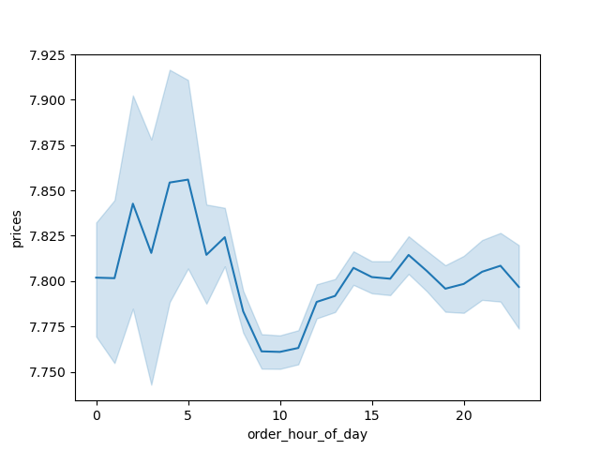

 |  |  | Question: Is there a time of day that people spend more?

 |  |  | The hour of day is on the X Axis and the average price of products sold is on the Y Axis

 |  |  | There is a slight uptick from 3 AM to 5 AM, then a drop from 6 AM to 10 AM.

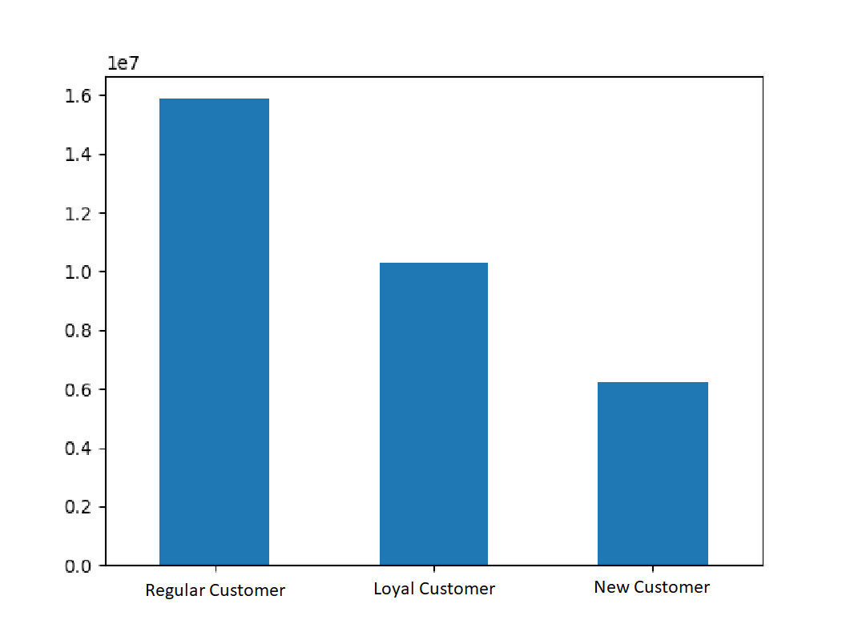

 |  |  | Question: What is the distribution among users in regards to brand loyalty?

 |  |  | This chart shows the numbers of customers who fall into three categories:

 |  |  | Loyal Customers have played 40 or more orders
 |  |  | Regular Customers have placed between 10 and 40 orders
 |  |  | New Customers have placed 10 or fewer orders

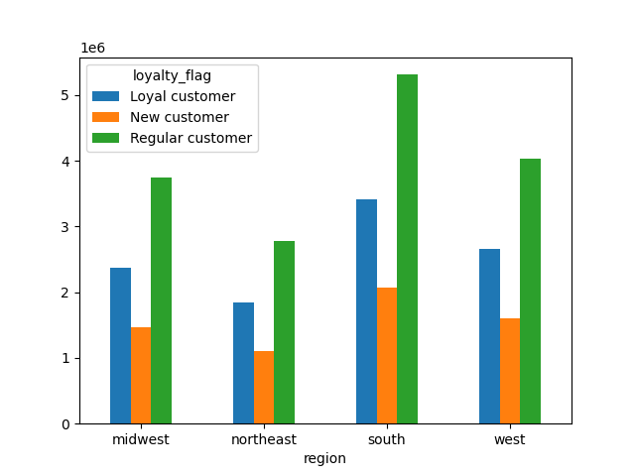
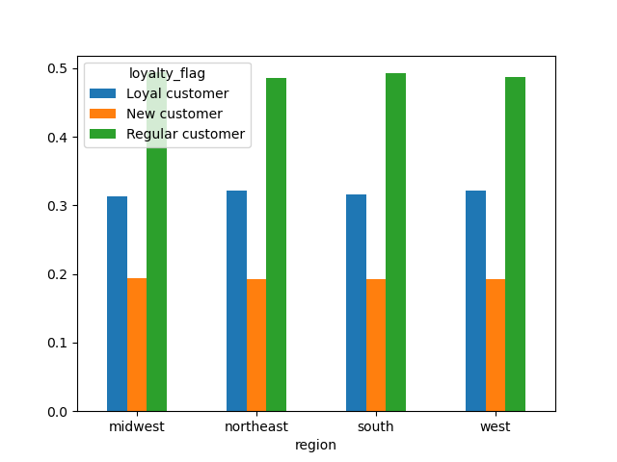

 |  |  |  |  |  |  | Question: Are there differences in ordering habits based on a customer's loyalty status?

 |  |  |  |  |  |  | Based on the graph on the left, it would appear so. But when we look at the customer base, there's more in the south
 |  |  |  |  |  |  | and less in the northeast so it actually is pretty even.

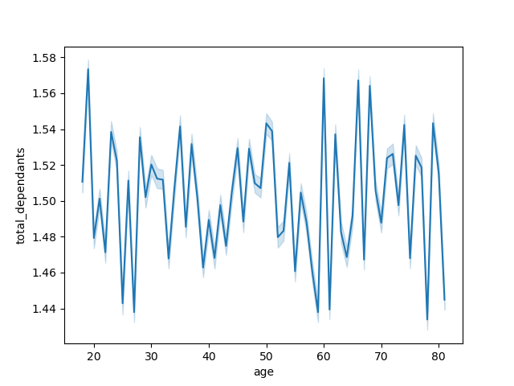

 |  |  |  | Question: Is there a connection between the age of Instacart customers and the number of dependents they have?

 |  |  |  | This chart shows the age of Instacart customers and the corresponding number of dependents that they have.

 | Question: What different classifications does the demographic information suggest? Age? Income? Certain types of goods? Family status?

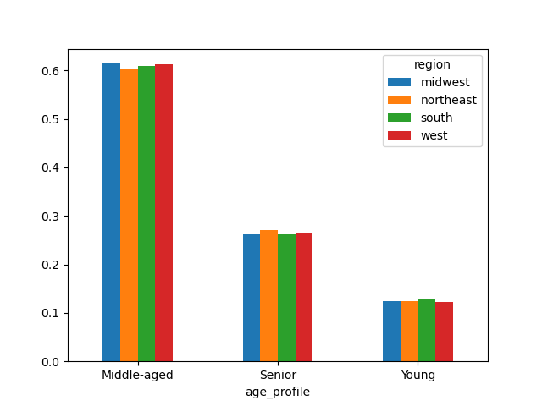
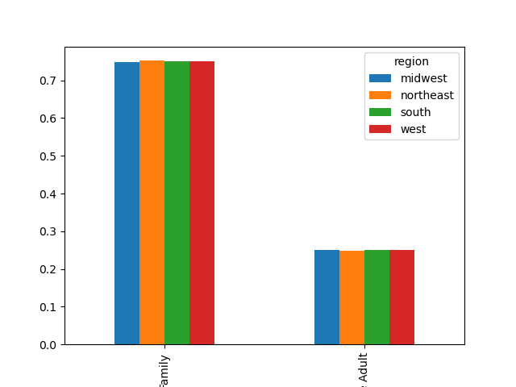

 |  |  |  |  |  | Here's all the visuals pointing to the results that for each region, it's very similar.

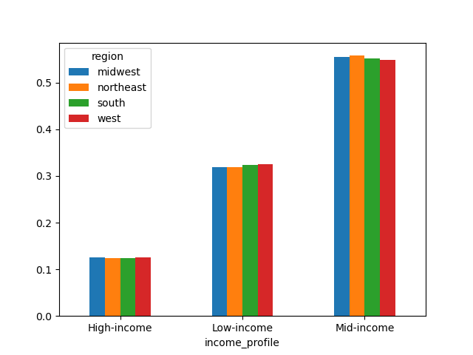
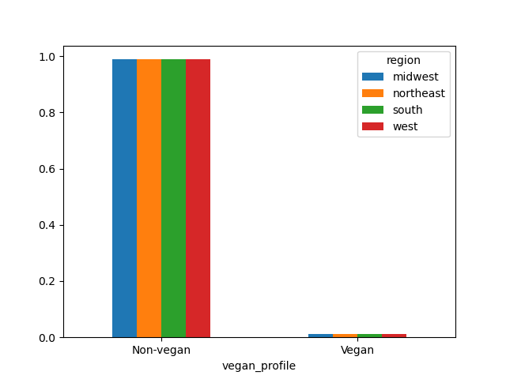

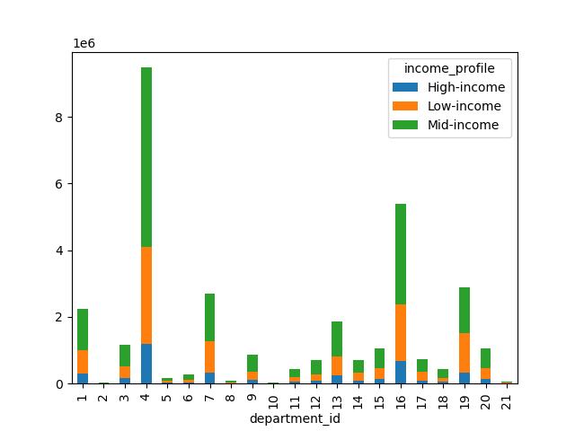
Here's a further breakdown based on what exactly they purchase:



 |  | Question: Does age effect purchasing power?

 |  | Before age 40, there's one who makes $400,000 or more. And then
 |  | it jumps to as high as $600,000 after age 40. Otherwise there's no real
 |  | correlation.

7. Recommendations
Recommendations

In this tab you should include any recommendations you would made to Instcart in terms of their marketing strategy based on the questions posed in the brief. Every key question has been covered in the Tasks of the Exercises - here you need to add an item - a visualisation or table/crosstable that is showing the answer in the data, acompanied by a comment from you. Please, list the questions below and add the answer underneath.

 | Question 1
 | The sales team needs to know what the busiest days of the week and hours of the day are (i.e., the days and times with the most orders) in order to schedule ads at times when there are fewer orders.

 | Answer
 |  |  |  | Instacart is busiest on the weekends, with Saturday as the busiest day. The slowest day is Wednesday. Instacart is consistently busy from 9am to 5pm, though traffic reaches its peak between 10 and 11am and begins to decrease steadily after 3pm. There is very little traffic between 1 and 5am. Recommendation: If Instacart wants to schedule ads at times when there are fewer orders, then Wednesday at 3am is ideal. However, as very few customers will see those ads at that time, it may be more impactful to schedule them for Wednesday afternoon, around 3pm, as sales begin to decrease for the day.

 | Question 2
 | They also want to know whether there are particular times of the day when people spend the most money, as this might inform the type of products they advertise at these times.

 | Answer
 |  |  | There is about a 75 cent difference in average price between the time of day when Instacart customers purchase the most expensive items and the time of day when they purchase the least expensive items. The peak occurs around 4am, and the trend remains relatively elevated until around 7am. Recommendation: Push higher-priced items in ads run during the early hours of the morning.

 | Question 3
 | Instacart has a lot of products with different price tags. Marketing and sales want to use simpler price range groupings to help direct their efforts.

 | Answer
 | We have grouped products into low- mid- and high-range products. Please see the "Column derivations" sheet (row 7) for more details.

 | Question 4
 | Are there certain types of products that are more popular than others? The marketing and sales teams want to know which departments have the highest frequency of product orders.

 | Answer
 |  |  | Yes. Departments 4 and 16 (eggs/dairy and produce) are the most popular. Departments 1, 7, 13, and 19 (frozen, beverage, pantry, and snacks, respectively) at a second-tier level of popularity. Recommendation: Instacart should do some more exploration to determine where to increase revenue. If the advertising team believes that running ads for more popular departments would be most liklely to increase revenue, then advertising eggs, dairy, and produce is key.

 | Question 5
 | What's the distribution among users in regards to their brand loyalty?

 | Answer
 |  |  | Instacart customers are fairly loyal. About half are regulars, and about one third are very loyal. Recommendation: Instacart should do some more exploration to determine what makes turns a new customer into a regular customer. Perhaps rewards or loyalty programs can be developed and advertised, or perhaps sending emails on certain days of the week would be helpful.

 | Question 6
 | Are there differences in ordering habits based on a customer's loyalty status?

 | Answer
 | 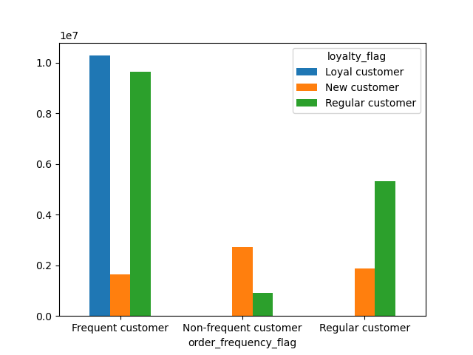 | Yes. Frequent customers (those with fewer than 10 days between orders, on average) are overwhelmingly Loyal and regular (i.e., they have placed more than 10 orders on Instacart in total). Non-frequent customers (those with more than 20 days between orders, on average) are very likely to be new customers (i.e., they have placed 10 order or fewer, in total). In general, it seems that the more frequently one orders from Instacart, the more likely one is to remain an Instacart customer in the long-run. Recommendation: Instacart should explore ways to get new customers to make shopping at Instacart a regular part of their routine, so as to encourage their new customers to be long-term customers. Perhaps they can build some sort of incentive structure, such as offering a discount if a second order is placed within 10 days of the previous one.

 | Question 7
 | Are there differences in ordering habits based on a customer's region?

 | Answer
 | 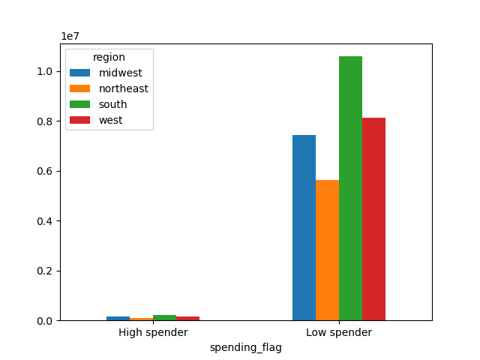 |  | Not that I could find. Region seems to affect neither the frequency of orders nor the amount of money customers are willing to spend on products. This is clear due to the fact that while the heights of the bars in each group are different, they are in relatively the same proportion to one another from group to group. Recommendation: Ordering habits do not seem to depend on a customer's region; therefore, Instacart should consider factors other than geographical region to understand their customers' behavior.

 | Question 8
 | Is there a connection between age and family status in terms of ordering habits?

 | Answer |  | Surprisingly, age and family status do not seem to have a discernable relationship. Moreover, neither of those categories individually seemed to have much of an impact and amount of money spent at Instacart, departments the customer purchased from, or any other query that I explored. Recommendation: Again, Instacart should explore the relationship between variables other than these in order to understand their customers' behavior.
 | 

 | Question 9
 | What differenct classifications does the demographic information suggest?

 | Answer
 | After analyzing data on region, age, family status, and income, I did not notice any discernable trend. The only major trends I was able to discover had to do with diet preferences, though this is not exactly a demographic issue. See more below for information about the differences that are noticeable in groups profiled by diet.

 | Question 10
 | What differences can you find in ordering habits of different customer profiles?

 | Answer
 | 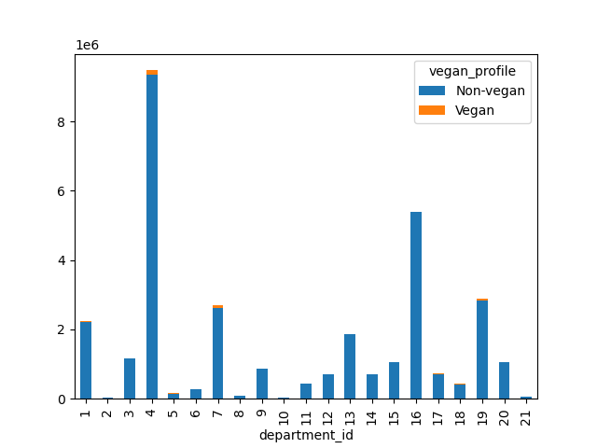 |  | The greatest differences in departments come when comparing vegans and non-vegans. Besides the obvious (vegans don't eat meat or dairy), the largest differences (in magnitude) are department 7 (beverages) department 19 (snacks). 19.4% of purchases made by vegans are on beverages, compared to 8.2% for non-vegans. Relatively speaking, the biggest differences are department 5 (alcohol) from which vegans purchase 87.3% more often than non-vegans, department 9 (dry goods pasta) from which vegans purchase 65.2% less often than non-vegans, and department 17 (household) from which vegans purchase 65.1% more often than non-vegans. 16.6% of purchases made by vegans are on snacks, compared to 8.8% for non-vegans. Vegans also spend slightly more on produce, and household goods and slightly less on pasta than their non-vegan counterparts. Recommendation: While there are major differences in the products that vegans order, vegans do not make up a large share of Instacart's customer base. Nevertheless, it may be profitable for Instacart to profile their customers and target ads to them based on their preferred diet.

